Pupolaritas Social Media
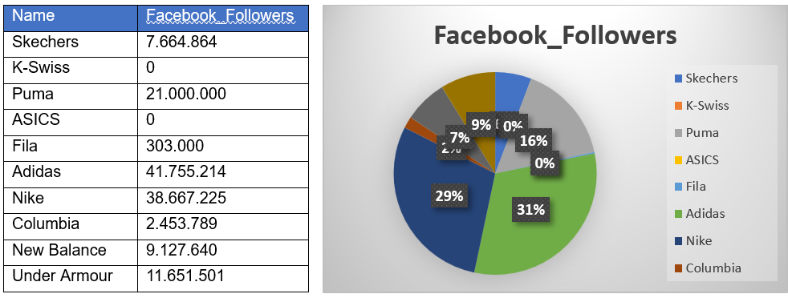
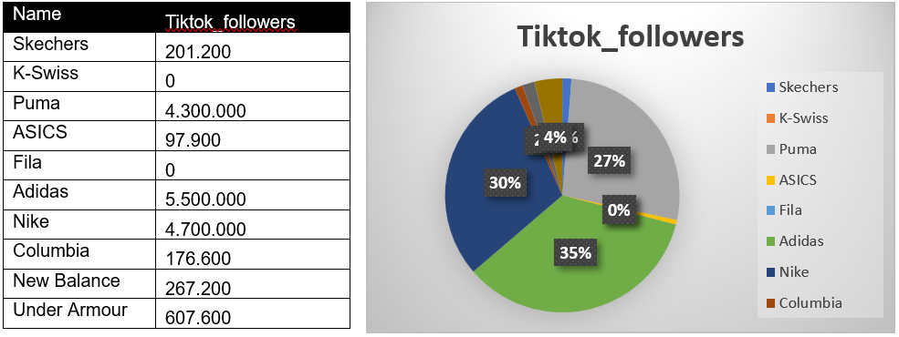
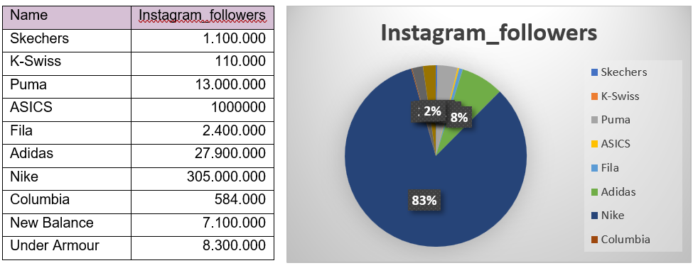
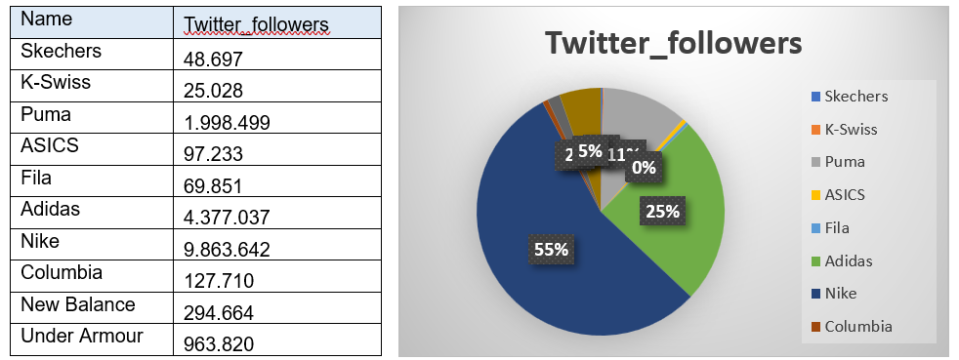
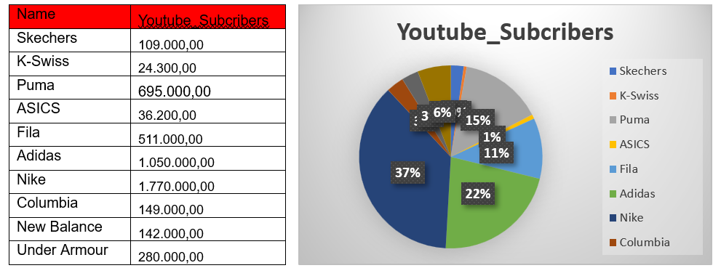
name | instagram_followers | facebook_followers | tiktok_followers | twitter_followers | Youtube_Subcribers
Skechers | 1,100,000 | 7,664,864 | 201,200 | 48,697 | 109,000.00
K-Swiss | 110,000 | 0 | 0 | 25,028 | 24,300.00
Puma | 13,000,000 | 21,000,000 | 4,300,000 | 1,998,499 | 695,000.00
ASICS | 1000000 | 0 | 97,900 | 97,233 | 36,200.00
Fila | 2,400,000 | 303,000 | 0 | 69,851 | 511,000.00
Adidas | 27,900,000 | 41,755,214 | 5,500,000 | 4,377,037 | 1,050,000.00
Nike | 305,000,000 | 38,667,225 | 4,700,000 | 9,863,642 | 1,770,000.00
Columbia | 584000 | 2,453,789 | 176,600 | 127,710 | 149,000.00
New Balance | 7,100,000 | 9,127,640 | 267,200 | 294,664 | 142,000.00
Under Armour | 8,300,000 | 11,651,501 | 607,600 | 963,820 | 280,000.00

1. Nike mendominasi popularitas di social media, mereka menempati urutan teratas dalam jumlah followers, dan subscribers.
2. Adidas menempati urutan kedua, popularitas mereka tertinggi facebook dan selalu berada di ranking 2 untuk social media lainnya
3. Puma ada diposisi ketiga, mereka selalu berada pada urutan ketiga tingkat popularitas di semua social media
4. Under Armour, diurutan ke empat
5. New Balance Berada di posisi ke lima

